Sheet1
Project Schedule

Thema |  |  | : | Prevent Mixing at Taping Process with Marking Inspection
Prepared By |  |  | : | Zulhisham Tan
Date |  |  | : | 10th May 2011

No. | To Do |  |  |  |  |  |  | May 2011
 |  |  |  |  |  |  |  | 10 | 11 | 12 | 13 | 14 | 15 | 16 | 17 | 18 | 19 | 20 | 21 | 22 | 23 | 24 | 25 | 26 | 27 | 28 | 29 | 30 | 31
1. | Request Database from I.T. to retrieve mother
 | Lot No. based on Taping Lot No.

2. | Migrate Marking Database to Server

3. | Software (PC) Construction

4. | Wiring modification

5. | Software Test & Debug

6. | Test Run & Review

* Note |  | : | Plan
 |  |  | Actual

Requirement

- | Special function for Lot inject
- | To be to detect Week Code Jumping

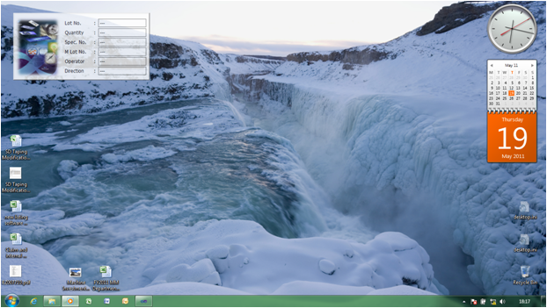
Taping with Marking Inspection System Integration

 | Application Name |  |  |  |  | : | TapMarkInsp

 | Outlook |  |  |  |  | : | - 80% Visibility. Optional Setting available.
 |  |  |  |  |  |  | - Located 30,30 pixels from Top-Left corner
 |  |  |  |  |  |  | the screen.
 |  |  |  |  |  |  | - Appear as Top-Most windows.

 | Characteristic |  |  |  |  | : | A program which run as a background tasks
 |  |  |  |  |  |  | to monitor Keyboard and mouse event.
 |  |  |  |  |  |  | The program is created to capture the Lot
 |  |  |  |  |  |  | number and some others information which being entered into the system. It is an interface between the
 |  |  |  |  |  |  | Taping machine and the Vision Control system. The program responsible on signal interfacing between the
 |  |  |  |  |  |  | machine and the Vision control system. The responsibility were to select Inspection Scene, triggering the
 |  |  |  |  |  |  | Vision Control, Data Judgment as well as signalling the machine on 'GO'/'NoGO' pattern. A set of data is log
 |  |  |  |  |  |  | into the system database for future data tracking in order to address certain issue.

 | Operation Format |  |  |  |  | : | - The 'Auto Run' operation of the machine will be interlocked whenever the application fail to capture Lot Data
 |  |  |  |  |  |  | which has being entered in to the system.
 |  |  |  |  |  |  | - The 'Auto Run' operation will also be interuppted if the marking data inspection judgment is fail.
 |  |  |  |  |  |  | - No any additonal operation were needed to handle the TapMarkInsp system. Everything is done automatically.

 | Database |  |  |  |  | : | Marking data will be retrieved from the machine server located at I.T. room. The database is in Microsoft Access
 |  |  |  |  |  |  | format. Data were retrieve using SQL command.

 | Deployment |  |  |  |  | : | The appilcation software is design to deploy via the network using IIS Server. Through the new deployment
 |  |  |  |  |  |  | concept, the verification of iM-Test Software control system is bypassed since the versioning of the software
 |  |  |  |  |  |  | is always varified through the server. Newer version of the application software will automatically updated
 |  |  |  |  |  |  | whenever a newer version of the application software is uploaded to the server.

The Modification Concept
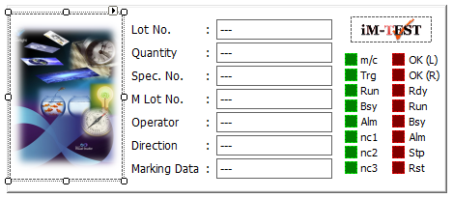
 | 1. | The 'TapMarkInsp' is development and setup into the Taping
 |  | machine's PC. The application is required Windows XP with
 |  | Service Pack 3 to run. It is complience to Windows 7 32bits as
 |  | well as 64 bits.

 |  | Please refer to 'Taping with Marking Inspection System
 |  | Integration' for its outlook and characteristic. No additional
 |  | operation were needed to operate the program.

 | 2. | A USB Digital I/O card is attached to the PC. Listed below is the details of the USB-DIO card. The USB-DIO driver is installed to the PC of
 |  | the machine. It is being access by the 'TapMarkInsp'.

 |  |  | Model |  |  | : | DIO-8/8B-UBC
 |  |  | Maker |  |  | : | Y2 Coporation
 |  |  | Qty |  |  | : | 1
 |  |  | Reference |  |  | : | www.y2c.co.jp

 | 3. | Eletrical wiring is being modify. As illustrated in the block disgram (1) below, wires that are connected from the PLC to the Vision
 |  | System (F-160) is being disconnected. It is attached to the new USB-DIO card as shown block diagram (2). The connection is refer
 |  | to the wiring diagram shown in Figure 1.

PLC
I/O
F-160
PLC
F-160

Modify to
RS-232C
Port 7
I/O
RS-232C
PC

RS-232C
PC

Block Diagram 1
Block Diagram 2


I/O bits between PC, PLC & camera unit

1
2

19
20

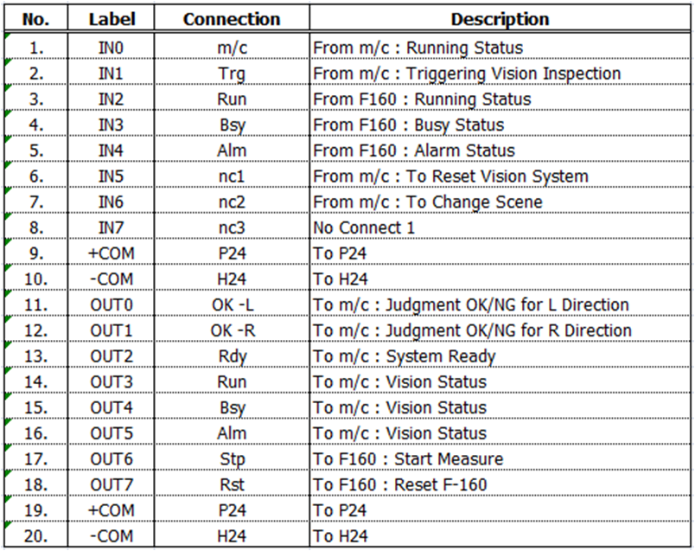

Figure 1

 | 4. | As shown in the block diafram (2), the PC required 2 serial communication. The 1st comm. Port has been occupied by the original PC
 |  | program. As such, the 2nd comm. Port were needed to be added into the system. If the PC consists of 2 comm. Port then you may ignore
 |  | this step otherwise you may consider a USB-RS232 converter install to the system.

 | 5. | At Laser Marking machine, the database were set to local drive as default. Hence, it is necessary to consider a commercial desktop PC
 |  | to act as server. Make a sharing folder to public, and then locate the Laser Marking database into the server. You need to change the
 |  | Laser Marking Barcode system setting to access to the database at the server.

Merits

 | P | No software modification is needed to be to original PC Application.
 | P | No additional operation were needed.
 | P | Cycle time remain unchanged.
 | P | Low modification cost.
 | P | Able to complete within 3 to 4 days.
 | P | PE/PM no longer needed to control IMI which would be database for the system to select scene file.
 | P | Able to control week code jumping.
 | P | Provide raw data for future reference.
 | P | CPU resources were keep to minimum in order to give space to others application such as anti-virus program to effectively protect the
 |  | system.

System Integration

1. | Mr. Tee Tai Heng |  |  |  | - | Setting camera, Wiring Modification, Confirm system function.
2. | Zulhisham Tan |  |  |  | - | Development 'TapMarkInsp' application, Modified Laser Marking Database access.

Sheet2
Task :
R/P :
Duration :
Start :
End :
Delay :
Rmk :

Task : Migrate LM Database To Server
R/P : Zulhisham Tan
Duration : 0.1
Start :
End :
Delay :
Rmk : Database

Task : Design System User Interface
R/P : Zulhisham Tan
Duration : 2
Start :
End :
Delay :
Rmk : Soft. Dev.
Task : Capture Keyboard Event Software
R/P : Zulhisham Tan
Duration : 3
Start :
End :
Delay :
Rmk : Soft. Dev.
Task : Install Software Components
R/P : Zulhisham
Duration : 0.2
Start :
End :
Delay :
Rmk : Soft. Dev.
Task : I/O Confirmation
R/P : Zulhisham & Tee Tai Heng
Duration : 0.1
Start :
End :
Delay :
Rmk : Soft. Dev.
Task : Trial Run
R/P : Z_Tan, Tee Tai Heng & Elham
Duration : 0.5
Start :
End :
Delay :
Rmk : Soft. Dev.

Task : Electrical Wiring Modification
R/P : Tee Tai Heng
Duration : 0.2
Start :
End :
Delay :
Rmk :
Task : Camera Setting
R/P : Tee Tai Heng
Duration : 0.4
Start :
End :
Delay :
Rmk :
Task : Establish Vision Communication
R/P : Zulhisham & Tee Tai Heng
Duration : 0.5
Start :
End :
Delay :
Rmk : Soft. Dev.
Task : Total System Eveluation
R/P : Z_Tan, Tee Tai Heng & Elham
Duration : 1
Start :
End :
Delay :
Rmk : Soft. Dev.
Task : M/C Performance & Stability
R/P : Elham
Duration : 2
Start :
End :
Delay :
Rmk :

